Sheet1
Part | Material | Density g/cm^3 | Mass kg | Total surface Area mm^2
Spider | Invar 36 | 8.1 | 0.694 | 27428
Backplate | Invar 36 | 8.1 | 1.934 | 41091
outer rad shield | 6082 | 2.71 | 0.103 | 72048
rear rad shield cover | 6082 | 2.7 | 0.138 | 52768
Front rad shield | 6082 | 2.7 | 0.219 | 163143
Heater block | Copper | 8.94 | 0.132 | 7012
Getter | Copper | 8.94 | 0.343

G10 flexures
(to ambient)
Links | CSA mm^2 | Length
Solid thermal link | 40 | 170
Flex thermal link | 10 per link | 150
G10 support (to ambient
RS thermal link pt 1 | 10 | 70
RS thermal link pt 2 | 10 | 50
G10 flexures | 144 (total) | 30
Front Rad Shield
G10 Support | 16 | 3
Rear Rad shield + cover
Getter

Solid thermal link
DETECTOR
INVAR SPIDER
Cold head

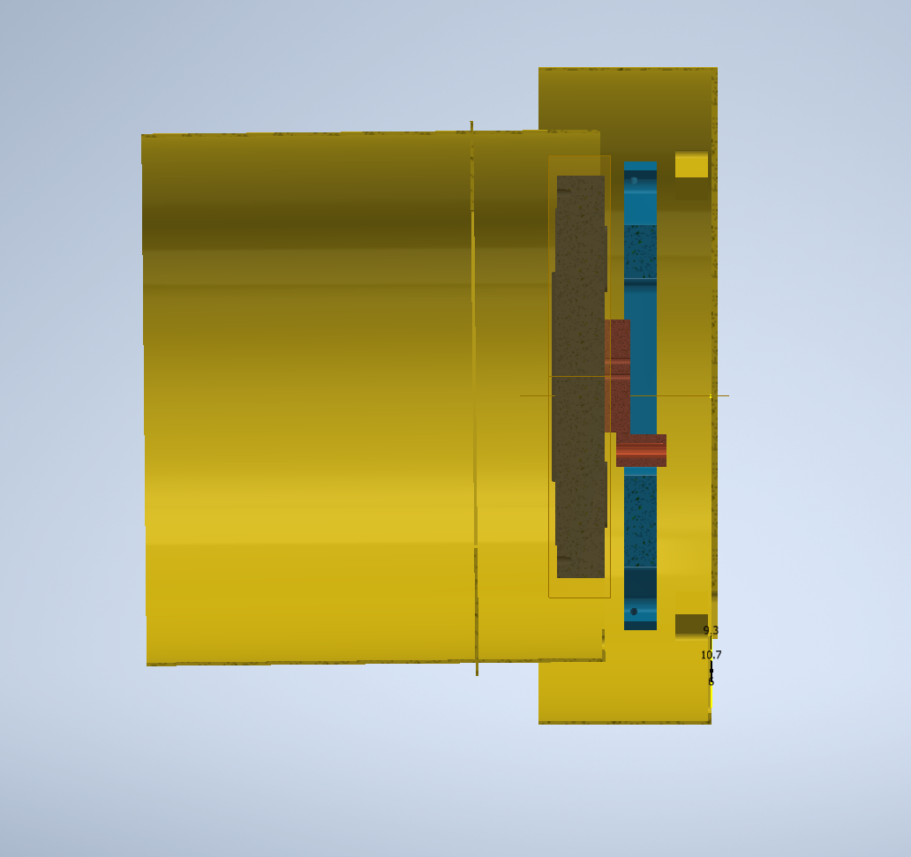
Flex thermal link
Heater Block

RS Thermal link 1
= Bolted joint
RS Thermal link 2

